Dashboard
DASHBOARD OF OPD AND IPD CLIENTS

Payment Ratio
 | OPD | IPD
Active | 41 | 44
Cancel | 145 | 12
Completed | 431 | 240

617
296
9680
Number of OPD
Number of IPD
6%
3%

Numbers of Lead
OPD CONVERSION RATE
IPD CONVERSION RATE

Gender Ratio
 | Female | Male | Total
OPD | 112 | 497 | 609
IPD | 54 | 208 | 262
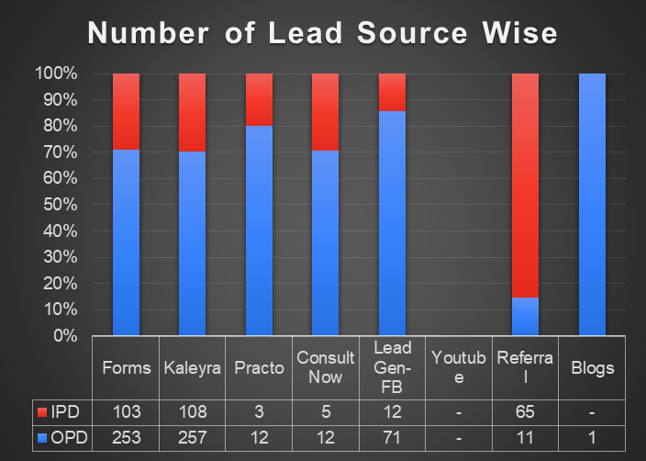

IPD Category-City wise
 | Bangalore | Hyderabad | Indore | Mumbai | New Delhi | Patna | Pune | Tertiary
Cosmetic | 2 | 1 |  | 7 | 35 |  | 3
General Medicine |  |  |  |  | 1
Gynaecologist | 1
Kidney Stone | 5 |  |  |  | 1
Laproscopy | 4 | 2 |  | 1 | 4
Not Assigned | 4 |  |  | 7 | 11
Ophthalmology | 1 |  |  |  | 3
Proctology | 33 | 18 |  | 16 | 40 | 2 | 4 | 1
Urology Circumcision | 14 | 12 | 1 | 18 | 24 |  | 8
Urology Kidney | 1 |  |  |  | 3
Vascular | 4 |  |  | 1 | 2 |  | 1

Conversion % Category wise
 | IPD | OPD
Proctology | 114 | 309
Urology Circumcision | 77 | 98
Laproscopy | 11 | 44
Ortho | 0 | 1
Vascular | 8 | 41
Kidney Stone | 6 | 12
Cosmetic | 48 | 80
ENT | 0 | 0
Ophthalmology | 4 | 20
Dental | 0 | 0
General Medicine | 1 | 0
Urology Kidney | 4 | 1
Gynaecologist | 1 | 0
Medical Management | 0 | 0
Not Assigned | 22 | 9
Total | 296 | 615

